Costs C
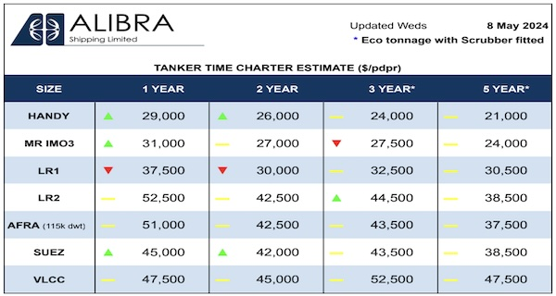
LL1 Euronav |  |  | https://www.hellenicshippingnews.com/weekly-tanker-time-charter-estimates-may-08-2024/
Alex | Crude oil carrier
Loa | 333.08 m
DWT | 299,446 MT

Type: | VLCC
Time charter rate [$/day] | $45,000.00 | $52,500.00

Shipyard fee | $321,000.00 | /14 days
 | $22,928.57 | /day
Costs 'C' | € 67,928.57 | $75,428.57

LL2 Danaos |  |  | https://www.vhbs.de/index.php?id=28&L=1
Zim Rio Grande | Container vessel
Loa | 260 m
DWT | 50,842 MT
TEU | 4250

Type: | 4250
Time charter rate [$/day] | $26,230.00 | $29,715.00

Shipyard fee | $87,740.00 | /14 days
 | $6,267.14 | /day
Costs 'C' | € 32,497.14 | $35,982.14

LL3 Baleària |  |  | https://www.rome2rio.com/Ferry/Palma/Valencia-Spain#:~:text=What%20companies%20run%20services%20between,this%20route%20once%20a%20week
Trinacria | ROPAX
Loa | 186 m
DWT | 7,500 MT
Capacity persons | 950
Capacity cars | 75
Estimate occupancy rate | 0.5 | 0.8
Time charter rate [$/day] | $44,531.25 | $160,550.00

Shipyard fee | $36,808.00 | /14 days
 | $2,629.14 | /day
Costs 'C' | € 47,160.39 | $163,179.14

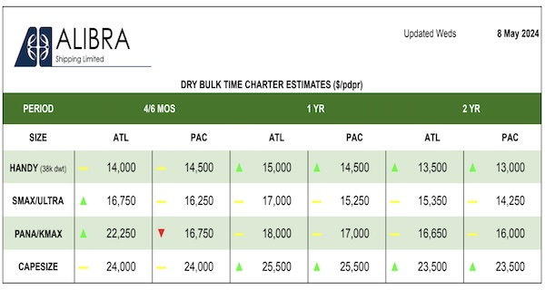
LL4 Starbulk |  |  | https://www.hellenicshippingnews.com/weekly-dry-time-charter-estimates-may-08-2024/
Maharaj | Bulk carrier
Loa | 300 m
DWT | 209,472 MT

Type: | Capesize
Time charter rate [$/day] | $23,500.00 | $25,500.00

Shipyard fee | $211,860.00 | /14 days
 | $15,132.86 | /day
Costs 'C' | € 38,632.86 | $40,632.86

